Maximization
Case Study: Blending Aviation Gasoline at Jansen Gas

INPUTS: Data on Feedstocks and Gasoline
Feedstock | Gallons available (1000s) | Value per gallon ($) | Reid vapor pressure | Octane (low TEL) | Octane (high TEL) | Decision Variables for Blending amounts
Alkylate (p) | 140 | 4.5 | 5 | 98 | 107 | Feedstock | Gasoline A | Gasoline B | Gasoline C | Leftovers
CCG (q) | 130 | 2.5 | 8 | 87 | 93 | Alkylate (p) | 37.14 | 34.31 | 15.14 | 53.41
SRG (r) | 140 | 2.25 | 4 | 83 | 89 | CCG (q) | 88.21 | 0.00 | 41.79 | 0.00
Isopentane (s) | 110 | 2.35 | 20 | 101 | 108 | SRG (r) | 4.64 | 73.46 | 61.90 | 0.00
 |  |  |  |  |  | Isopentane (s) | 0.00 | 22.23 | 9.12 | 78.65
 |  |  |  |  |  | Total Quantity | 130.00 | 130.00 | 127.94 | 132.06
 |  |  |  |  |  |  | 130.00 | 130 | 120 | 140
Gasoline | Gallons Required (1000s) | Price per Gallon ($) | Max Reid Pressure | Min Octane | TEL Level
Decision Variables for Blending amounts
A | 120 | 3 | 7 | 90 | Low
B | 130 | 3.5 | 7 | 97 | High
C | 120 | 4 | 7 | 100 | High
Objective Function
Maximizing Revenue | 1781.93

Supply Constraints: Total use of each feedstock does not exceed its available amount.
 | LHS |  | RHS
Alkylate (p) | 140.00 | ≤ | 140.00
CCG (q) | 130.00 | ≤ | 130.00
SRG (r) | 140.00 | ≤ | 140.00
Isopentane (s) | 110.00 | ≤ | 110.00
Demand Constraints: Total production of each gasoline type meets its required volume.
 | LHS |  | RHS
Gasoline A | 130.00 | ≥ | 120.00
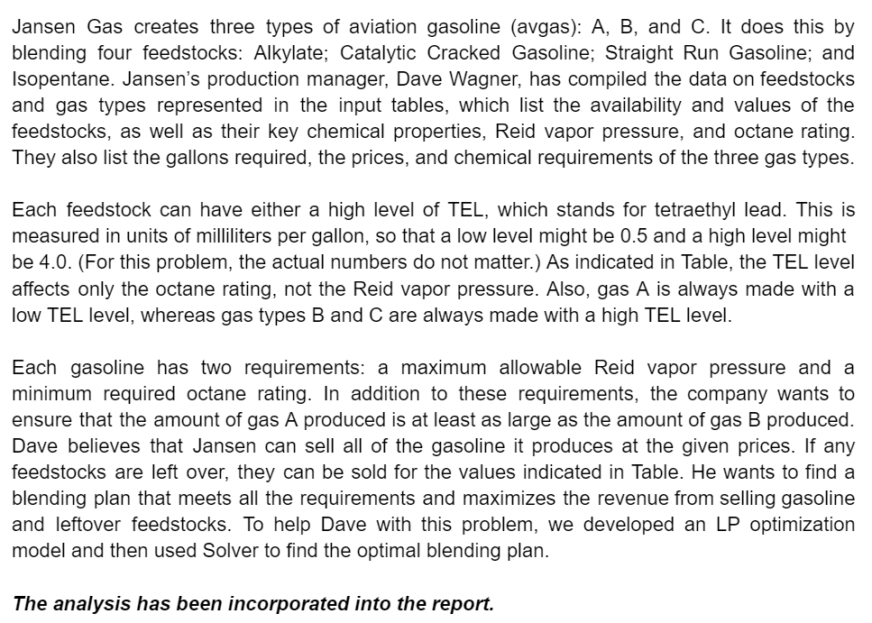
Gasoline B | 130.00 | ≥ | 130.00
Gasoline C | 127.94 | ≥ | 120.00
Volume Constraint for Gasoline A and B
 | LHS |  | RHS
Gasoline A should be equal to Gasoline B | 130.00 | ≥ | 130.00
Maximum Octane Level Constraints for Gasolines
 | LHS |  | RHS
Gasoline A Octane Level | 90 | ≥ | 90
Gasoline B Octane Level | 97 | ≥ | 97
Gasoline C Octane Level | 100 | ≥ | 100
Minimum Reid Level Constraints for Gasolines
 | LHS |  | RHS
Gasoline A Reid Level | 7 | ≤ | 7
Gasoline B Reid Level | 7 | ≤ | 7
Gasoline C Reid Level | 7 | ≤ | 7

Solver 1
One-way analysis for Solver model in (3) worksheet |  |  | Sensitivity of $B$17 to Input

When you select an output from the dropdown list in cell $K$4, the chart will adapt to that output.
Input (cell $D$13) values along side, output cell(s) along top |  |  | Data for chart
 | $B$17 | 1 | $B$17
1 | Not feasible |  | Not feasible
2 | Not feasible |  | Not feasible
3 | Not feasible |  | Not feasible
4 | Not feasible |  | Not feasible
5 | Not feasible |  | Not feasible
6 | 1690.46 |  | 1690.4591837

Sensitivity of $B$17 to Input

Solver 2
One-way analysis for Solver model in (3) worksheet |  |  | Sensitivity of $B$17 to Input

When you select an output from the dropdown list in cell $K$4, the chart will adapt to that output.
Input (cell $D$14) values along side, output cell(s) along top |  |  | Data for chart
 | $B$17 | 1 | $B$17
1 | Not feasible |  | Not feasible
2 | Not feasible |  | Not feasible
3 | Not feasible |  | Not feasible
4 | Not feasible |  | Not feasible
5 | 1660.02 |  | 1660.020499
6 | 1691.22 |  | 1691.2230313

Sensitivity of $B$17 to Input

Solver 3
One-way analysis for Solver model in (3) worksheet |  |  | Sensitivity of $B$17 to Input

When you select an output from the dropdown list in cell $K$4, the chart will adapt to that output.
Input (cell $D$15) values along side, output cell(s) along top |  |  | Data for chart
 | $B$17 | 1 | $B$17
1 | Not feasible |  | Not feasible
2 | Not feasible |  | Not feasible
3 | Not feasible |  | Not feasible
4 | Not feasible |  | Not feasible
5 | 1665.19 |  | 1665.1881356
6 | 1695.30 |  | 1695.2959184

Sensitivity of $B$17 to Input

